score
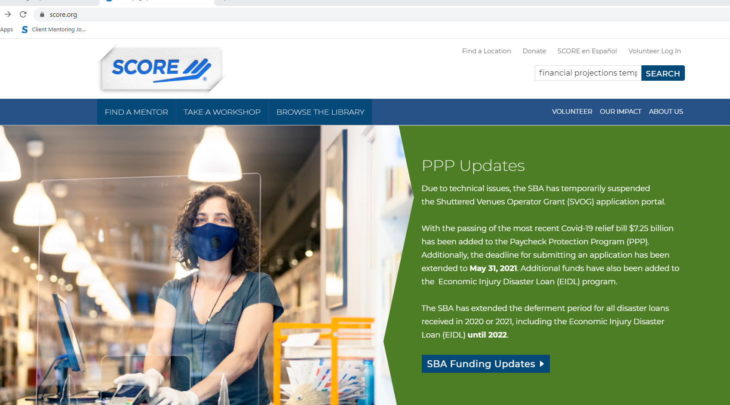

results
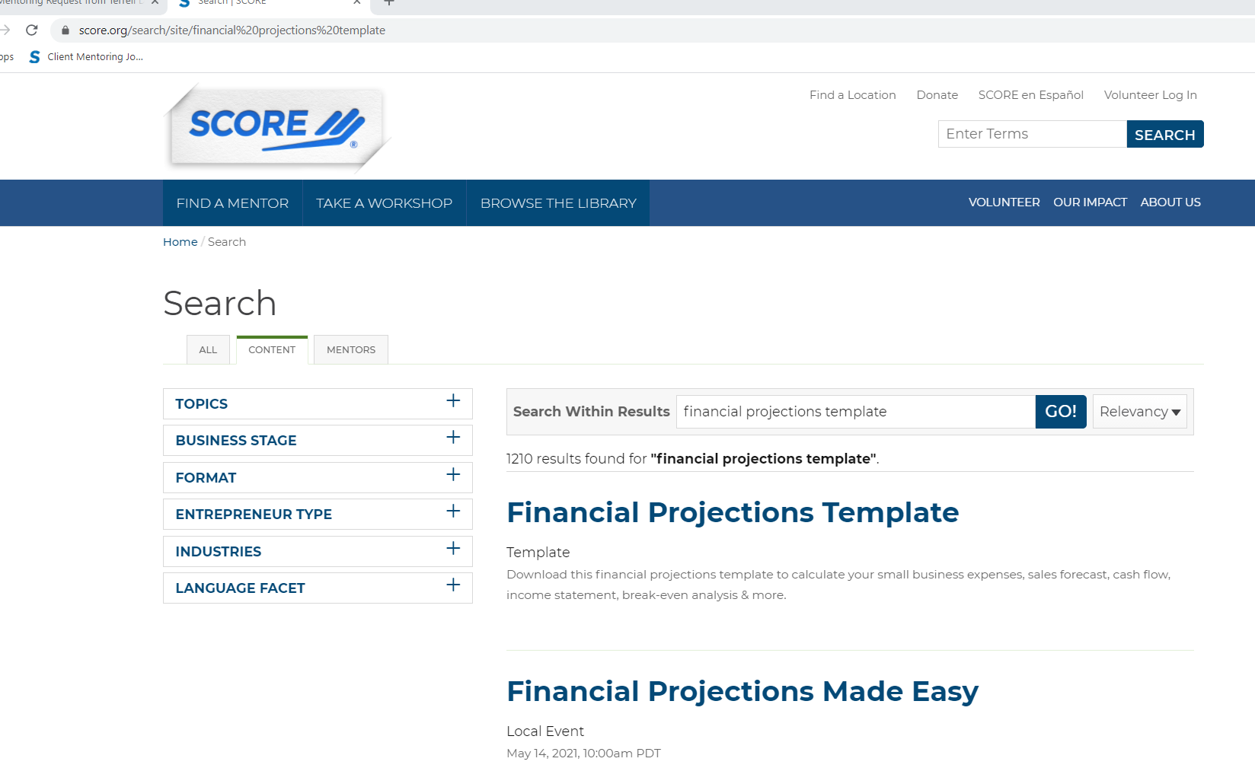

Directions
Last revised 2/2020. See revision notes on last tab.

 | Step 1 - Enter info about your company in yellow shaded boxes below.

 |  | Preparer Name | Company Name | Starting Month | Starting Year
 |  | Joe and Joy Smith | Pro Talk LLC | January | 2022

 | Step 2 - Read the following instructions
This Microsoft Excel Workbook is designed to provide those starting a business or already running a business with information that will allow them to make a "go /no-go" decision. It will help a potential entrepreneur project operating profit, develop a projected income statement, balance sheet and cash flow forecast.
It is designed for a wide variety of users, from those who have little or no accounting or Excel experience to those who may be well versed in finance, accounting and the use of Microsoft Excel.
The workbook contains a number of worksheets, each documented two ways. Extensive directions and guidance for a particular page or on a specific accounting topic are found in blue boxes (like this one) on pages that are not self-explanatory.
The second way this workbook is documented is using Excel comments in a given cell. Comments are normally hidden from sight. If you see a red triangle in the upper right corner of a cell, you can hover your mouse over the triangle to see the note. As your mouse moves away from the triangle, the comment will disappear.
Comments will have a beige background. Each comment may have a specific direction for that cell, may be a reminder of something the author believes important, or may have some additional information about the accounting topic. The cells and formulas in this workbook are protected. Cells with yellow or light blue backgrounds are designed for user input. All other cells are designed to generate data based on user input.
The cells with formulas in this workbook are locked. If changes are needed, the unlock code is "1234." Please use caution when unlocking the spreadsheets. If you want to change a formula, we strongly recommend that you save a copy of this spreadsheet under a different name before doing so.
Color-Coding:
Enter Data Here
Adjust as Needed

The cells with formulas in this workbook are locked.
If changes are needed, the unlock code is "1234."
Please use caution when unlocking the spreadsheets. If you want to change a formula, we strongly recommend that you save a copy of this spreadsheet under a different name before doing so.

 |  | 1

 | January | February | March | April | May | June | July | August | September | October | November | December

1-StartingPoint
Start-up Expenses Year 1 (Starting Balance Sheet)

Prepared By: | Company Name:
Joe and Joy Smith | Pro Talk LLC

Fixed Assets | Amount | Depreciation (years) | Notes

Real Estate-Land |  | Not Depreciated
Real Estate-Buildings |  | 20
Leasehold Improvements |  | 7
Equipment | 700 | 5 | mailing equipment
Furniture and Fixtures | 2,390 | 7
Vehicles |  | 5
Other | 2,650 | 3 | computers and software
Total Fixed Assets | $5,740

Operating Capital | Amount | Notes
Pre-Opening Salaries and Wages
Prepaid Insurance Premiums | 750 | Initial premium (6 months)
Inventory | 10,200 | 500 books at $10.15 + 500 workbooks at $9.25
Legal and Accounting Fees | 2,500 | business organization; set up accounting software; set up timekeeping
Rent Deposits
Utility Deposits
Supplies | 300 | business cards, literature, stationary, office supplies
Advertising and Promotions | 3,000 | trade show booth banners; intro lunch seminars; social media
Licenses | 100 | business license;
Other Initial Start-Up Costs | 7,000 | Web site incl shopping cart; logo; (set up costs for books)
Working Capital (Cash On Hand) | 5,000
Total Operating Capital | $28,850
Total Required Funds | $34,590

Sources of Funding | Percentage | Totals | Loan Rate | Term in Months | Monthly Payments | Notes
Owner's Equity | 43.37% | 15,000
Outside Investors | 0.00%
Additional Loans or Debt
Commercial Loan | 56.63% | 19,590 | 9.00% | 60 | 407
Commercial Mortgage | 0.00% |  | 9.00% | 240 | - |  | See Loan Amortization & Depreciation Schedule
Credit Card Debt | 0.00% |  | 7.00% | 60 | -
Vehicle Loans | 0.00% |  | 6.00% | 48 | -
Other Bank Debt | 0.00% |  | 5.00% | 36 | -
Total Sources of Funding | 100.00% | $34,590 | Cell D 42 must equal cell C31 |  | $407
Total Funding Needed |  | $- | You are fully funded (Balanced)

Note: For existing businesses, this should be the "bucket" of cash plus receivables that will be turned into cash, minus payables that will be paid out in cash in the near term (i.e. in the first months of the plan)
Existing Businesses ONLY -- Calculating Cash on Hand
Cash | -
+ Accounts Receivable | -
+ Prepaid Expenses | -
- Accounts Payable | -
- Accrued Expenses | -
Total Cash on Hand | $-

3b-SalesForecastYrs1-3
This sheet will populate based on information in the year 1 Sales Forecast.
The included growth rate is just a starting point, if you can provide a more accurate prediction for each month, unlock the sheet (see Directions) and change the value for that month. Please note that you will no longer have a formula in that cell once you change the value, so you may want to save a copy of this spreadsheet under a different name before doing so.
 | Sales Forecast Year 1-3

 | Prepared by: | Company Name:
 | Joe and Joy Smith | Pro Talk LLC

 | Growth Rate Year 1 to Year 2:
 | Growth Rate Year 2 to Year 3:

Product Lines | Year 1 Totals | January | February | March | April | May | June | July | August | September | October | November | December | Year 2 Totals | Category Breakdown | Category / Total | January | February | March | April | May | June | July | August | September | October | November | December | Year 3 Totals | Category Breakdown | Category / Total
Executive Hourly Consulting
retainer Sold | 127 | 25 | 20 | 20 | 20 | 25 | 25 | 25 | 25 | 30 | 30 | 20 | 10 | 275 |  | 6.6% | 25 | 20 | 20 | 20 | 25 | 25 | 25 | 25 | 30 | 30 | 20 | 10 | 275 |  | 6.6%
Total Sales | $76,200 | 15,000 | 12,000 | 12,000 | 12,000 | 15,000 | 15,000 | 15,000 | 15,000 | 18,000 | 18,000 | 12,000 | 6,000 | $165,000 | 100.0% | 57.4% | 15,000 | 12,000 | 12,000 | 12,000 | 15,000 | 15,000 | 15,000 | 15,000 | 18,000 | 18,000 | 12,000 | 6,000 | $165,000 | 100.0% | 55.3%
Total COGS | $- | - | - | - | - | - | - | - | - | - | - | - | - | $- | 0.0% | 0.0% | - | - | - | - | - | - | - | - | - | - | - | - | $- | 0.0% | 0.0%
Total Margin | $76,200 | 15,000 | 12,000 | 12,000 | 12,000 | 15,000 | 15,000 | 15,000 | 15,000 | 18,000 | 18,000 | 12,000 | 6,000 | $165,000 | 100.0% | 63.4% | 15,000 | 12,000 | 12,000 | 12,000 | 15,000 | 15,000 | 15,000 | 15,000 | 18,000 | 18,000 | 12,000 | 6,000 | $165,000 | 100.0% | 60.9%

Group Consulting
contract Sold | 14 | 1 | 2 | 0 | 1 | 2 | 2 | 2 | 2 | 2 | 2 | 2 | 0 | 19 |  | 0.4% | 4 | 2 | 0 | 1 | 4 | 2 | 2 | 2 | 2 | 2 | 2 | 0 | 23 |  | 0.6%
Total Sales | $42,000 | 3,000 | 6,600 | - | 3,000 | 6,000 | 6,600 | 6,000 | 6,000 | 6,000 | 6,000 | 6,600 | - | $55,800 | 100.0% | 19.4% | 12,000 | 6,000 | - | 3,000 | 12,000 | 6,000 | 6,000 | 6,000 | 6,000 | 6,000 | 6,000 | - | $69,000 | 100.0% | 23.1%
Total COGS | $- | - | - | - | - | - | - | - | - | - | - | - | - | $- | 0.0% | 0.0% | - | - | - | - | - | - | - | - | - | - | - | - | $- | 0.0% | 0.0%
Margin | $42,000 | 3,000 | 6,600 | - | 3,000 | 6,000 | 6,600 | 6,000 | 6,000 | 6,000 | 6,000 | 6,600 | - | $55,800 | 100.0% | 21.4% | 12,000 | 6,000 | - | 3,000 | 12,000 | 6,000 | 6,000 | 6,000 | 6,000 | 6,000 | 6,000 | - | $69,000 | 100.0% | 25.5%

Personal Consulting
hour Sold | 136 | 25 | 30 | 30 | 15 | 15 | 20 | 20 | 20 | 10 | 10 | 10 | 0 | 205 |  | 4.9% | 15 | 20 | 20 | 20 | 20 | 20 | 20 | 15 | 10 | 10 | 10 | 0 | 180 |  | 4.3%
Total Sales | $13,600 | 2,500 | 3,000 | 3,000 | 1,500 | 1,500 | 2,000 | 2,000 | 2,000 | 1,000 | 1,000 | 1,000 | - | $20,500 | 100.0% | 7.1% | 1,500 | 2,000 | 2,000 | 2,000 | 2,000 | 2,000 | 2,000 | 1,500 | 1,000 | 1,000 | 1,000 | - | $18,000 | 100.0% | 6.0%
Total COGS | $- | - | - | - | - | - | - | - | - | - | - | - | - | $- | 0.0% | 0.0% | - | - | - | - | - | - | - | - | - | - | - | - | $- | 0.0% | 0.0%
Margin | $13,600 | 2,500 | 3,000 | 3,000 | 1,500 | 1,500 | 2,000 | 2,000 | 2,000 | 1,000 | 1,000 | 1,000 | - | $20,500 | 100.0% | 7.9% | 1,500 | 2,000 | 2,000 | 2,000 | 2,000 | 2,000 | 2,000 | 1,500 | 1,000 | 1,000 | 1,000 | - | $18,000 | 100.0% | 6.6%

Your Best book
ea Sold | 1505 | 123 | 132 | 132 | 136 | 136 | 143 | 143 | 154 | 154 | 154 | 154 | 220 | 1,782 |  | 42.9% | 123 | 132 | 132 | 136 | 136 | 143 | 143 | 154 | 154 | 154 | 154 | 220 | 1,782 |  | 42.9%
Total Sales | 30100 | 2,464 | 2,640 | 2,640 | 2,728 | 2,728 | 2,860 | 2,860 | 3,080 | 3,080 | 3,080 | 3,080 | 4,400 | $35,640 | 100.0% | 12.4% | 2,464 | 2,640 | 2,640 | 2,728 | 2,728 | 2,860 | 2,860 | 3,080 | 3,080 | 3,080 | 3,080 | 4,400 | $35,640 | 100.0% | 11.9%
Total COGS | $15,276 | 1,250 | 1,340 | 1,340 | 1,384 | 1,384 | 1,451 | 1,451 | 1,563 | 1,563 | 1,563 | 1,563 | 2,233 | $18,087 | 50.8% | 67.1% | 1,250 | 1,340 | 1,340 | 1,384 | 1,384 | 1,451 | 1,451 | 1,563 | 1,563 | 1,563 | 1,563 | 2,233 | $18,087 | 50.8% | 66.6%
Margin | $14,824 | 1,214 | 1,300 | 1,300 | 1,344 | 1,344 | 1,409 | 1,409 | 1,517 | 1,517 | 1,517 | 1,517 | 2,167 | $17,553 | 49.2% | 6.7% | 1,214 | 1,300 | 1,300 | 1,344 | 1,344 | 1,409 | 1,409 | 1,517 | 1,517 | 1,517 | 1,517 | 2,167 | $17,553 | 49.2% | 6.5%

Your Best postage
ea Sold | 1505 | 123 | 132 | 132 | 136 | 136 | 143 | 143 | 154 | 154 | 154 | 154 | 220 | 1,782 |  | 42.9% | 123 | 132 | 132 | 136 | 136 | 143 | 143 | 154 | 154 | 154 | 154 | 220 | 1,782 |  | 42.9%
Total Sales | $7,525 | 616 | 660 | 660 | 682 | 682 | 715 | 715 | 770 | 770 | 770 | 770 | 1,100 | $8,910 | 100.0% | 3.1% | 616 | 660 | 660 | 682 | 682 | 715 | 715 | 770 | 770 | 770 | 770 | 1,100 | $8,910 | 100.0% | 3.0%
Total COGS | $6,773 | 554 | 594 | 594 | 614 | 614 | 644 | 644 | 693 | 693 | 693 | 693 | 990 | $8,019 | 90.0% | 29.7% | 554 | 594 | 594 | 614 | 614 | 644 | 644 | 693 | 693 | 693 | 693 | 990 | $8,019 | 90.0% | 29.5%
Margin | $753 | 62 | 66 | 66 | 68 | 68 | 72 | 72 | 77 | 77 | 77 | 77 | 110 | $891 | 10.0% | 0.3% | 62 | 66 | 66 | 68 | 68 | 72 | 72 | 77 | 77 | 77 | 77 | 110 | $891 | 10.0% | 0.3%

Group Workbook
ea Sold | 84 | 5 | 11 | 0 | 5 | 10 | 11 | 10 | 10 | 10 | 10 | 11 | 0 | 93 |  | 2.2% | 20 | 10 | 0 | 5 | 20 | 10 | 10 | 10 | 10 | 10 | 10 | 0 | 115 |  | 2.8%
Total Sales | $1,260 | 75 | 165 | - | 75 | 150 | 165 | 150 | 150 | 150 | 150 | 165 | - | $1,395 | 100.0% | 0.5% | 300 | 150 | - | 75 | 300 | 150 | 150 | 150 | 150 | 150 | 150 | - | $1,725 | 100.0% | 0.6%
Total COGS | $777 | 46 | 102 | - | 46 | 93 | 102 | 93 | 93 | 93 | 93 | 102 | - | $860 | 61.7% | 3.2% | 185 | 93 | - | 46 | 185 | 93 | 93 | 93 | 93 | 93 | 93 | - | $1,064 | 61.7% | 3.9%
Margin | $483 | 29 | 63 | - | 29 | 58 | 63 | 58 | 58 | 58 | 58 | 63 | - | $535 | 38.3% | 0.2% | 115 | 58 | - | 29 | 115 | 58 | 58 | 58 | 58 | 58 | 58 | - | $661 | 38.3% | 0.2%
Total Units Sold | 3371 | 302 | 327 | 314 | 314 | 325 | 344 | 343 | 365 | 360 | 360 | 351 | 450 | 4,156 |  |  | 310 | 316 | 304 | 319 | 342 | 343 | 343 | 360 | 360 | 360 | 350 | 450 | 4,157
Total Sales | $170,685 | $23,655 | $25,065 | $18,300 | $19,985 | $26,060 | $27,340 | $26,725 | $27,000 | $29,000 | $29,000 | $23,615 | $11,500 | $287,245 |  |  | $31,880 | $23,450 | $17,300 | $20,485 | $32,710 | $26,725 | $26,725 | $26,500 | $29,000 | $29,000 | $23,000 | $11,500 | $298,275
Total Cost of Goods Sold | $22,825 | $1,851 | $2,036 | $1,934 | $2,045 | $2,091 | $2,197 | $2,187 | $2,349 | $2,349 | $2,349 | $2,358 | $3,223 | $26,967 |  |  | $1,990 | $2,026 | $1,934 | $2,045 | $2,183 | $2,187 | $2,187 | $2,349 | $2,349 | $2,349 | $2,349 | $3,223 | $27,170
...

6b-CashFlowYrs1-3
 | Cash Flow Forecast Years 1-3
NOTE: To only view the annual total side-by-side, highlight columns C through N
and right-click. Then select "Hide". Use the same procedure to Hide columns P through AA. To show them again, highlight columns B, O and AB, right-click and select "Unhide".
 | Prepared By: | Company Name:
 | Joe and Joy Smith | Pro Talk LLC

 | Year 1 Totals | January | February | March | April | May | June | July | August | September | October | November | December | Year 2 Totals | January | February | March | April | May | June
Beginning Balance |  | $5,000 | $15,820 | $27,866 | $31,002 | $37,959 | $50,945 | $60,909 | $74,463 | $88,131 | $100,429 | $116,097 | $126,371 |  | $121,797 | $139,164 | $148,565 | $149,523 | $155,941 | $174,445
Cash Inflows
Cash Sales | $85,343 | 23,655 | 25,065 | 18,300 | 19,985 | 26,060 | 27,340 | 26,725 | 27,000 | 29,000 | 29,000 | 23,615 | 11,500 | $287,245 | 31,880 | 23,450 | 17,300 | 20,485 | 32,710 | 26,725
Accounts Receivable | $- | - | - | - | - | - | - | - | - | - | - | - | - | $- | - | - | - | - | - | -
Total Cash Inflows | $85,343 | $23,655 | $25,065 | $18,300 | $19,985 | $26,060 | $27,340 | $26,725 | $27,000 | $29,000 | $29,000 | $23,615 | $11,500 | $287,245 | 31,880 | 23,450 | 17,300 | 20,485 | 32,710 | 26,725

Cash Outflows
Investing Activities
New Fixed Asset Purchases | $- | 292 | 292 | 292 | 292 | 292 | 292 | 292 | 292 | 292 | 292 | 292 | 292 | $3,500 | 125 | 125 | 125 | 125 | 125 | 125
...

BreakevenAnalysis
Breakeven Analysis Year 1

Prepared By: | Company Name:
Joe and Joy Smith | Pro Talk LLC

Breakeven Sales Level
The breakeven sales level represents the number of units that must be sold in order to break even. This means that revenues are equal to expenses. Any units sold beyond this quantity will allow the company to generate net income.
One of the best uses of breakeven analysis is to play with various scenarios. For instance, if you add another person to the payroll, how many extra sales dollars will be needed to recover the extra salary expense? If you borrow, how much will be needed to cover the increased principal and interest payments? Many owners, especially retailers, like to calculate a daily breakdown. This gives everyone a target to shoot at for the day.
Equation:
Breakeven Point = Total Fixed Costs/ (Gross Margin/Total Sales)
Gross Margin % of Sales
Gross Margin | $147,860
Total Sales | $170,685
Gross Margin/Total Sales | 86.6%
Total Fixed Expenses
Payroll | $41,192.37
Operating Expenses | $162,726.61
Operating + Payroll | $203,919
Breakeven Sales in Dollars (Annual)
Gross Margin % of Sales | 86.6%
Total Fixed Expenses | $203,919
Yearly Breakeven Amount | $235,398
Monthly Breakeven Amount | $19,617

FinancialRatios
Financial Ratios - Year 1

Prepared By: | Company Name:
Joe and Joy Smith | Pro Talk LLC
This sheet shows some common financial ratios. There is a column where you can enter industry norms. To get these, contact your local library or bank to see if they have copies of the Risk Management Association (RMA) Annual Statement or refer to industry publications and trade magazines. Speak with your mentor to ensure you are using the appropriate resources.
Ratios | Year One | Year Two | Year Three | Industry Norms | Notes
Liquidity
Current Ratio | 0.4 | 2.1 | 3.9
Quick Ratio | 0.1 | 1.7 | 3.6
Safety
Debt to Equity Ratio | -1.8 | 0.9 | 0.3
Debt-Service Coverage Ratio - DSCR | -0.7 | 1.8 | 1.8
Profitability
Sales Growth | 0.0% | 68.3% | 3.8%
COGS to Sales | 13.4% | 9.4% | 9.1%
Gross Profit Margin | 86.6% | 90.6% | 90.9%
SG&A to Sales | 66.2% | 41.4% | 44.7%
Net Profit Margin | -33.4% | 42.5% | 39.7%
Return on Equity (ROE) | 135.7% | 152.5% | 59.7%
Return on Assets | -176.3% | 80.9% | 44.6%
Owner's Compensation to Sales | 18.3% | 11.9% | 15.0%
Efficiency
Days in Receivables | 0.0 | 0.0 | 0.0
Accounts Receivable Turnover | 0.0 | 0.0 | 0.0
Days in Inventory | 160.9 | 158.4 | 163.9
Inventory Turnover | 2.2 | 2.3 | 2.2
...

DiagnosticTools
Diagnostic Tools - Year 1

Prepared By: | Company Name:
Joe and Joy Smith | Pro Talk LLC

This sheet performs a few tests on your numbers to see if they seem within certain reasonable ranges. Remember, no computer can tell whether your projections are truly well-constructed, only a human can do that. But these tests can at least look for values that are critically out of range.
General Financing Assumptions | Value | Findings
Owner's Cash Injection into the Business | 43.4% | Owner's injection is reasonable
Cash Request as percent of Total Required Funds | 14.5% | Cash request seems reasonable with respect to total request

Loan Assumptions | Value | Findings
Commercial Loan Interest rate | 9.0% | Interest rate seems reasonable
Commercial Loan Term in Months | 60 | Loan term seems within range for this type of loan
Commercial Mortgage Interest rate | 9.0% | Interest rate seems reasonable
Commercial Mortgage Term in Months | 240 | Loan term seems within range for this type of loan
Debt-Service Coverage | -74.9% | Calculated loan payments relative to operating profit seem reasonable

Income Statement | Value | Findings
Gross Margin as a Percent of Sales | 86.6% | Gross margin percentage seems reasonable
Owner's Compensation Lower Limit Check | $31,200 | An owner's compensation amount has been established
Owner's Compensation Upper Limit Check | -54.8% | Owner's compensation seems reasonable
Advertising Expense Levels as a Percent of Sales | 26.4% | Advertising as a percent of sales seems reasonable
Profitability Levels | $(56,969) | The business is not showing a profit
Profitability as a Percent of Sales | -33.4% | The projection does not seem highly unreasonable
...

